Solution
 |  |  |  | 1) | E7 | 2) | C10

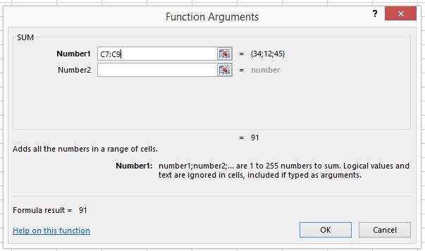
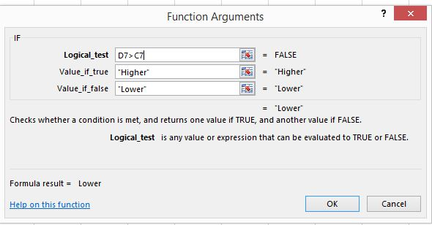
Net Profit Account ($ mln.)
Company Name /Year | 2005 | 2006
 |  |  | Rel.
Company A | 34 | 25 | Lower
Company B | 12 | 16 | Higher
Company C | 45 | 44 | Lower
Industry TOTAL | 91 | 85

